Grant Application Budget
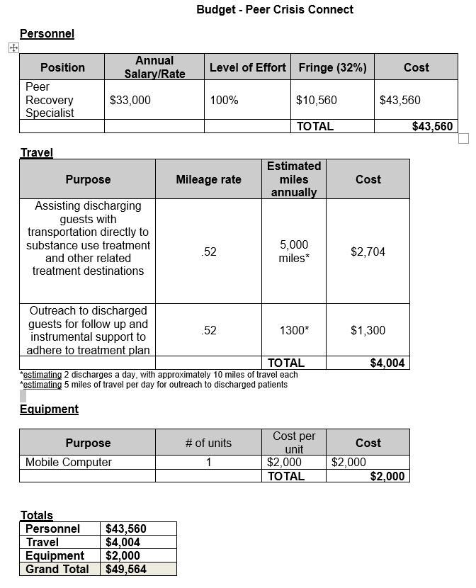

Budget per year. Two year project.

